GUIDANCE
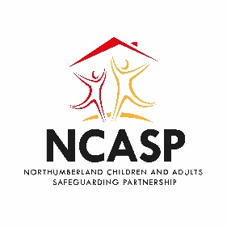
Adapted from Pearce, J (2019) Six Steps for Independent Scrutiny: Safeguarding children arrangements. Institute of Applied Social Research, Luton, University of Bedfordshire
GUIDANCE
Six Steps for Independent Scrutiny: Safeguarding partnership arrangements
The Six Steps model can be used by the multi-agency safeguarding partners and/or by independent scrutineers as a model for:
· the safeguarding partnership and/or independent scrutineer(s) to structure their scrutiny
· the three core partners to engage with a self-assessment exercise in preparation for independent scrutiny

Follow the tabs at the bottom of the page to each worksheet, where you can enter your score against each of the questions.
Each statement in each of the six steps can be answered with:
Green: a positive affirmation that the statement can be answered with evidence to illustrate the positive response
Amber: acknowledgement that some parts of the statement can be answered positively (with evidence to illustrate the positive response) but that there is still work to be done for full positive affirmation
Red: it is not possible to confirm that any part of the statement can be answered with a positive response.
Any response (green, amber or red) will still require an action plan to ensure reaching and maintaining desired outcomes.
Actions will automatically be pulled through into action tracker, specific tasks and other details will need to be added.
Areas:
1. The three core partner leads are actively involved in strategic planning and implementation
2. The wider safeguarding partners (including relevant agencies) are actively involved in safeguarding
3. Children, young people and families are aware of and involved with plans for safeguarding children
4. Appropriate quality assurance procedures are in place for data collection, audit and information sharing
5. There is a process for identifying and investigating learning from local and national case reviews
6. There is an active program of multi- agency safeguarding children training

Having completed your scoring, please review the Scoresheet to see an evaluation of your responses.

Review action tracker

Score summary
Before submitting complete all sections of the 'USER DETAILS' tab. |  |  | Back to GUIDANCE

Six Steps Tool - Score Summary

Totals for each area

Area | No of questions | RED | AMBER | GREEN | unanswered
1. The three core partner leads are actively involved in strategic planning and implementation | 4 | 0 | 0 | 0 | 4

2. The wider safeguarding partners (including relevant agencies) are actively involved in safeguarding children and adults | 4 | 0 | 0 | 0 | 4

3. Children, adults and families are aware of and involved with plans for safeguarding | 4 | 0 | 0 | 0 | 4

4. Appropriate quality assurance procedures are in place for data collection, audit and information sharing | 4 | 0 | 0 | 0 | 4

5. There is a process for identifying and investigating learning from local and national case reviews | 4 | 0 | 0 | 0 | 4

6. There is an active program of multi- agency safeguarding children training | 4 | 0 | 0 | 0 | 4

 | 1 | 1 | 1 | 1
Total All Areas | 24 | 0 | 0 | 0 | 24

